UK - INLAND
UNITED KINGDOM EXPORT - INLAND TARIFF

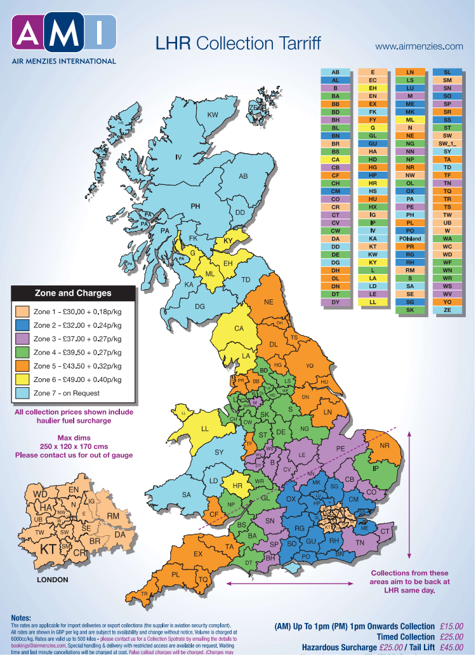
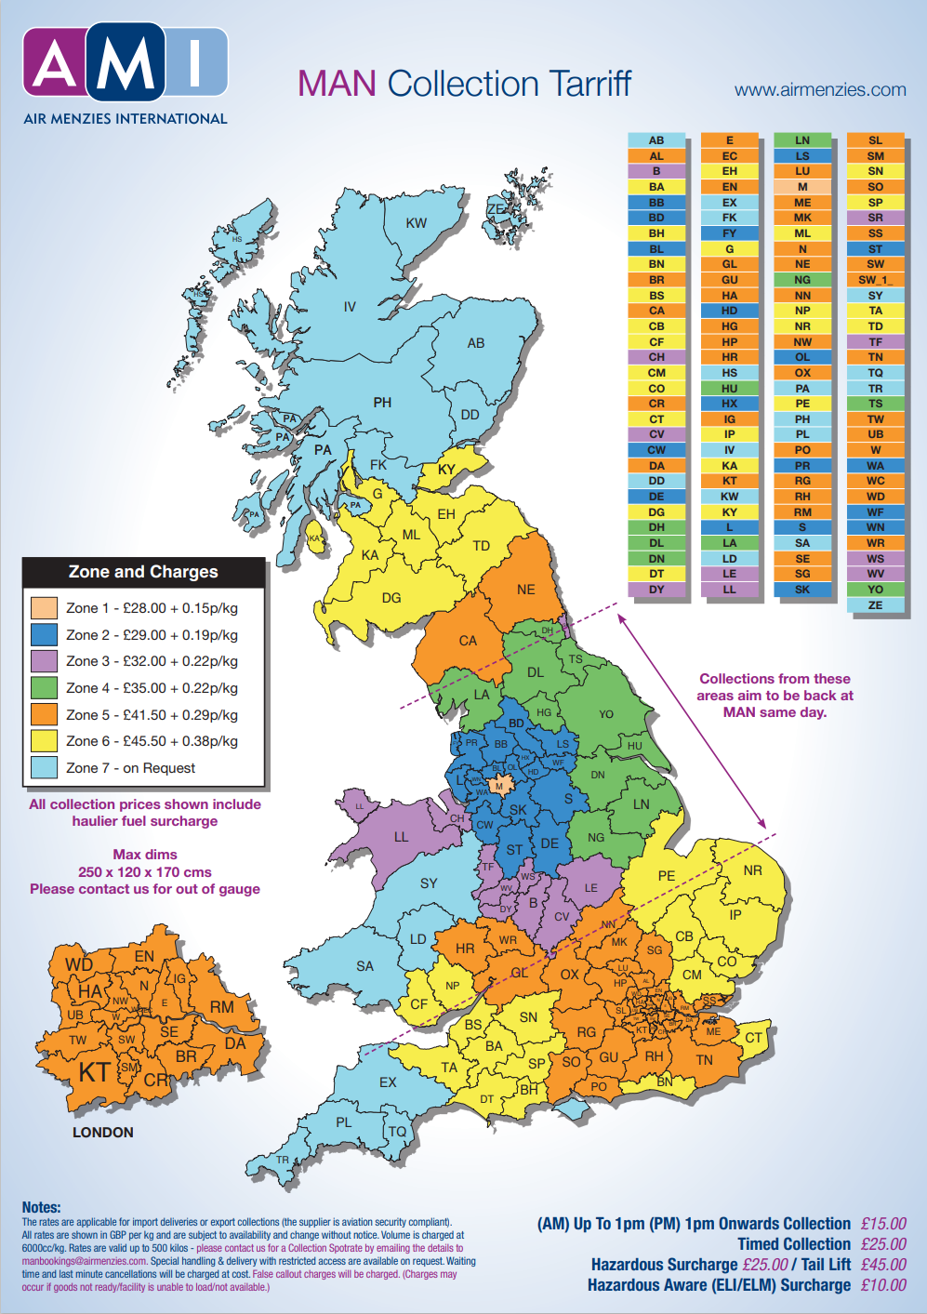

 | INSTRUCTIONS ON HOW TO USE THE INLAND ZONES
 | 1. Google the Address and Postal Code.
 | 2. Match 2 LETTER AREA CODE with the below area on the MAP.
 | 3. Check the Zone colour VS the ZONE to select for INLAND costs
 | 4. For Example: OXFORD will be "OX - Zone 2 - (BLUE)"

USA INLAND TARIFF
 |  |  |  |  | USA - Air Exports
 |  |  |  |  | Applicable to Ex Works Shipments
 |  |  |  |  | INLAND TARIFF
 |  |  |  |  | AUGUST 2026

 | ORIGIN STATE |  | METRO CITY | MIN | - 500 KG | + 500 KG | TRANSIT | POSTAL CODE *

. ATL ATL. | AL | ALABAMA |  | $165.00 | $0.75 | $0.55 | 1-2 Days
 | FL | FLORIDA |  | $165.00 | $0.75 | $0.60 | 1-2 Days
 | GA | GEORGIA |  | $135.00 | $0.70 | $0.55 | 1 Day
 |  |  | ATL Metro | $115.00 | $0.40 | $0.35 | 1 Day | Check Metro List
 |  |  | Atlanta * | $125.00 | $0.40 | $0.35 | 1 Day | 30349
 |  |  | Augusta * | $135.00 | $0.55 | $0.50 | 1 Day | 30901
 |  |  | Columbus * | $135.00 | $0.55 | $0.50 | 1 Day | 31906
 |  |  | Macon * | $135.00 | $0.55 | $0.50 | 1 Day | 31206
 |  |  | Savannah * | $135.00 | $0.55 | $0.50 | 1 Day | 31401
 | MS | MISSISSIPPI |  | $175.00 | $0.75 | $0.60 | 1-2 Days
 | NC | NORTH CAROLINA |  | $165.00 | $0.75 | $0.55 | 1-2 Days
 | SC | SOUTH CAROLINA |  | $165.00 | $0.75 | $0.55 | 1-2 Days
 | TN | TENNESSEE |  | $165.00 | $0.75 | $0.55 | 1-2 Days

. DFW DFW. | AR | ARKANSAS |  | Upon Request
 | LA | LOUISIANA |  | Upon Request
 | NM | NEW MEXICO |  | Upon Request
 | OK | OKLAHOMA |  | $305.00 | $1.25 | $1.25 | 1-2 Days
 | TX | TEXAS |  | $255.00 | $0.85 | $0.85 | 1-4 Days
 |  |  | DFW Metro | $115.00 | $0.55 | $0.45 | 1 Day | Check Metro List
 |  |  | Austin * | $255.00 | $0.85 | $0.85 | 1-4 Days | 78701
 |  |  | Dallas/Irving * | $130.00 | $0.70 | $0.70 | 1 Day | 75006, 75063
 |  |  | El Paso * | $305.00 | $1.15 | $1.15 | 1-2 Days | 79903
 |  |  | Fort Worth/Arlington * | $130.00 | $0.70 | $0.70 | 1 Day | 76101, 76001
 |  |  | Houston * | $255.00 | $0.85 | $0.85 | 1-4 Days | 77001
 |  |  | Laredo * | $255.00 | $0.85 | $0.85 | 1 Day | 78040
 |  |  | McAllen * | $255.00 | $0.90 | $0.90 | 1 Day | 78503
 |  |  | San Antonio * | $255.00 | $0.90 | $0.90 | 1 Day | 78201

.JFK JFK JFK. | CT | CONNECTICUT |  | $175.00 | $0.65 | $0.55 | 1 Day
 |  |  | Hartford * | $175.00 | $0.60 | $0.50 | 1 Day | 06103
 | DE | DELAWARE |  | $325.00 | $0.80 | $0.75 | 2 Days
 | ME | MAINE |  | $325.00 | $0.95 | $0.90 | 2-4 Days
 | MD | MARYLAND |  | $325.00 | $0.85 | $0.80 | 2-3 Days
 |  |  | Baltimore * | Upon request
 | MA | MASSACHUSETTS |  | $295.00 | $0.95 | $0.90 | 1-2 Days
 |  |  | Boston * | $325.00 | $0.90 | $0.85 | 1-2 days | 02123
 | NH | NEW HAMPSHIRE |  | $325.00 | $1.00 | $0.95 | 4 Days
 | NJ | NEW JERSEY |  | $220.00 | $0.85 | $0.80 | 1 Day
 |  |  | Jersey City * | $120.00 | $0.65 | $0.60 | 1 Day | 07307
 |  |  | Newark * | $120.00 | $0.65 | $0.60 | 1 Day | 07114
 | NY | NEW YORK |  | $225.00 | $0.75 | $0.70 | 1 Day
 |  |  | JFK Metro | $80.00 | $0.55 | $0.50 | 1 Day | Check Metro List
 |  |  | Upstate * | $225.00 | $0.75 | $0.70 | 1 Day | 12007
 | PA | PENNSYLVANIA |  | $155.00 | $0.95 | $0.90 | 1 Day
 |  |  | Eastern Philadelphia * | $160.00 | $0.95 | $0.85 | 1 Day | begin with 17, 18, 19
 |  |  | Western Pennsylvania * | $260.00 | $1.05 | $1.00 | 1 Day | begin with 15, 16
 | RI | RHODE ISLAND |  | $275.00 | $0.95 | $0.90 | 1-2 Days
 | VT | VERMONT |  | $275.00 | $0.95 | $0.90 | 2-4 Days
 | VA | VIRGINIA |  |  | Upon Request
 |  |  | Sterling * | Upon Request
 | DC | WASHINGTON, DC |  | $375.00 | $0.85 | $0.80 | 2-3 Days
 | WV | WEST VIRGINIA |  |  | Upon Request

. LAX LAX . | AZ | ARIZONA |  |  | Upon Request
 |  |  | Phoenix * | $120.00 | $0.95 | $0.85 | 1-2 Days | 85001
 | CA | CALIFORNIA |  | Upon Request
 |  |  | LAX Metro | $75.00 | $0.65 | $0.60 | 1 Day | Check Metro List
 |  |  | Long Beach/Anaheim * | $85.00 | $0.80 | $0.70 | 1 Day | 90804, 92801
 |  |  | Sacramento * | $130.00 | $0.95 | $0.85 | 1-2 Days | 94203
 |  |  | San Diego * | $90.00 | $0.85 | $0.80 | 1 Day | 92101
 |  |  | San Francisco * | $110.00 | $0.95 | $0.85 | 1-2 Days | 94102
 |  |  | San Jose * | $110.00 | $0.95 | $0.85 | 1-2 Days | 95110
 | CO | COLORADO |  |  | Upon Request
 |  |  | Denver * | $130.00 | $1.05 | $1.00 | 2-3 Days | 80202
 |  |  | Colorado Springs * | $130.00 | $1.05 | $1.00 | 2-3 Days | 80901
 | ID | IDAHO |  | Upon Request
 | MT | MONTANA |  | Upon Request
 | NV | NEVADA |  |  | Upon Request
 |  |  | Las Vegas * | $120.00 | $1.05 | $1.00 | 2-3 Days | 89018
 | OR | OREGON |  | Upon Request
 | UT | UTAH |  |  | Upon Request
 |  |  | Salt Lake City * | $130.00 | $1.05 | $1.00 | 2-3 Days | 84101
 | WA | WASHINGTON |  | Upon Request
 | WY | WYOMING |  | Upon Request

.ORD ORD ORD. | IL | ILLINOIS |  | $145.00 | $0.65 | $0.60 | 1 Day
 |  |  | ORD Metro | $90.00 | $0.50 | $0.40 | 1 Day | Check Metro List
 |  |  | Peoria * | $125.00 | $0.60 | $0.55 | 1 Day | 91602
 |  |  | Springfield * | $125.00 | $0.60 | $0.55 | 1 Day | 62701
 |  |  | Rockford * | $125.00 | $0.60 | $0.55 | 1 Day | 61020
 | IN | INDIANA |  | $175.00 | $0.85 | $0.75 | 1 Day
 |  |  | Indianapolis * | $145.00 | $0.75 | $0.65 | 1 Day | 46201
 | IA | IOWA |  | Upon Request
 |  |  | Cedar Rapids * | $165.00 | $0.75 | $0.65 | 2 Days | 52406
 |  |  | Des Moines * | $165.00 | $0.75 | $0.65 | 1 Day | 50309
 |  |  | Dubuque * | $175.00 | $0.75 | $0.65 | 1 Day | 52003
 | KS | KANSAS |  | Upon Request
 |  |  | Wichita * | $175.00 | $0.75 | $0.65 | 2 Days | 67219
 |  |  | Kansas City * | $165.00 | $0.75 | $0.65 | 1 Day | 66101
 | KY | KENTUCKY |  | $175.00 | $0.85 | $0.75 | 1-2 Days
 |  |  | Louisville * | $165.00 | $0.75 | $0.65 | 1 Day | 40290
 | MI | MICHIGAN |  | $175.00 | $0.85 | $0.75 | 1 Day
 |  |  | Detroit * | $145.00 | $0.75 | $0.65 | 1 Day | 48006
 | MN | MINNESOTA |  | $195.00 | $0.90 | $0.80 | 1 Day
 |  |  | Minneapolis * | $165.00 | $0.75 | $0.65 | 1 Day | 55401
 | MO | MISSOURI |  | $175.00 | $0.85 | $0.75 | 1-2 Days
 |  |  | Saint Louis * | $145.00 | $0.65 | $0.60 | 1 Day | 63101
 | NE | NEBRASKA |  | Upon Request
 | ND | NORTH DAKOTA |  | Upon Request
 | OH | OHIO |  | $175.00 | $0.85 | $0.75 | 1 Day
 |  |  | Cincinnati * | $165.00 | $0.75 | $0.65 | 1 Day | 45202
 |  |  | Cleveland * | $165.00 | $0.75 | $0.65 | 1 Day | 44101
 |  |  | Columbus * | $165.00 | $0.75 | $0.65 | 1 Day | 43085
 |  |  | Toledo * | $165.00 | $0.75 | $0.65 | 1 Day | 43605
 | SD | SOUTH DAKOTA |  | Upon Request
 | WI | WISCONSIN |  | $195.00 | $0.90 | $0.80 | 1-2 Days
 |  |  | Milwaukee * | $145.00 | $0.65 | $0.60 | 1 Day | 53201

 |  |  | SPOT RATES AVAILABLE FOR +1000 KGS
METRO AREA RATES APPLY TO PICKUP LOCATIONS WITHIN A 25-MILE RADIUS OF AMI OFFICE/DROP STATION

* APPLICABLE TO ZIP CODES FOR THAT CITY/STATE WITHIN A 25-MILE RADIUS

For D2D Domestic shipments try our quick2ship product

CONDITIONS:

If request for pickup is after 12:00 PM local time, same day pickup is not guaranteed
Rates above include Fuel Surcharge
Rates are based on Chargeable Weight
Rates are USD and subject to change without previous notice
Rates based on general cargo only. Any oversized and/or hazmat cargo must be quoted separately.
General cargo is considered to be under 64" high and less than 84" in length
Accessorial charges not included. (Fork lift, Residential, Pallet Jack, White Glove, etc.)
Any accrued detention time and/or dry run fees will be billed at cost

ATLANTA (ATL) |  |  |  | CHICAGO (ORD)
4696 Aviation Parkway, Ste E |  |  |  | 1350 Michael Drive, Ste D
Atlanta, GA 30349 |  |  |  | Wood Dale, IL 60191
404 765 9090 |  |  |  | 630 595 6300
atlexports@airmenzies.com |  |  |  | ordexports@airmenzies.com


DALLAS (DFW) |  |  |  | LOS ANGELES (LAX)
2520 West Airfield Dr, Ste 100 |  |  |  | 1511 Francisco St
Dallas, TX 75261 |  |  |  | Torrance, CA 90501
469 629 0400 |  |  |  | 310 649 5678
dfwexports@airmenzies.com |  |  |  | laxexports@airmenzies.com

NEW YORK (JFK)
AMI c/o 5 Star Freight Systems
500 Bayview Ave
Inwood, NY 11096
718 553-0488
jfkexports@airmenzies.com

USA MAP
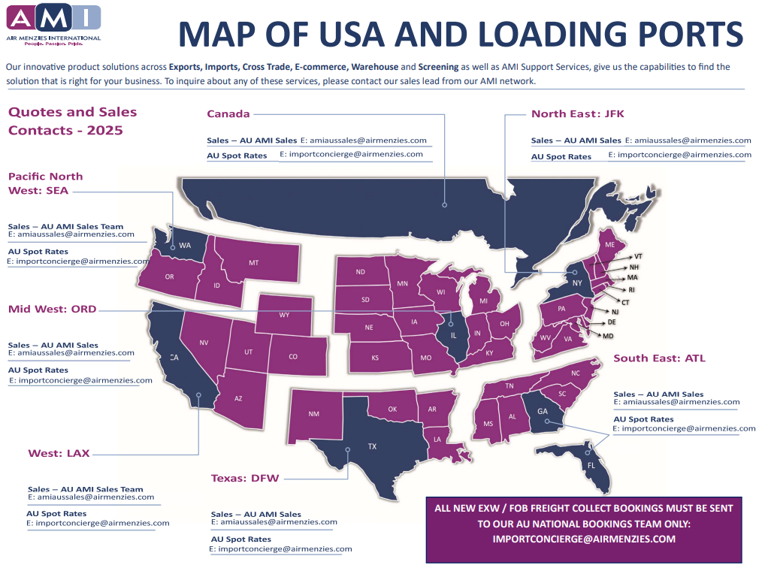
COLLECTION AREA | STATE | POL (Port of Load)
VT | NE | JFK
CT | NE | JFK
TN | SE | ATL
TX | TX | DFW

MT | PNW | LAX
UT | WEST | LAX

COUNTRY CONDITIONS
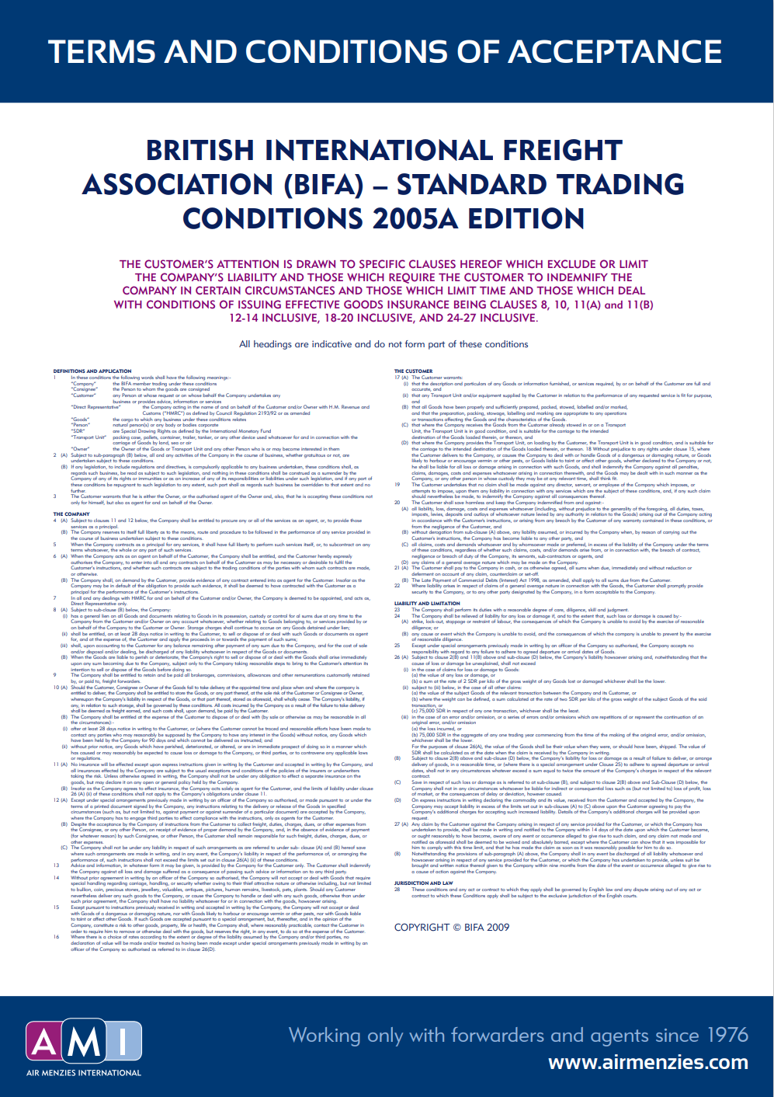


UNITED STATES: CONDITIONS / NOTES
All bookings will move as STANDARD service, unless other service Rate & Carrier is specified at time of request
Rates do not include surcharges unless noted otherwise; surcharges vary per carrier
Screening fees might apply per TSA regulations for "known shipper" cargo
Shippers must present export SIL ****
Compliance with FAA regulations is mandatory and is the sole responsibility of the forwarder
Shipments are subject to carrier acceptance & space availability; transit times/cut off day and time might vary
Rates do not apply to perishables, hazardous cargo or any cargo that would be considered oversized
Rates and services are subject to the trading terms and conditions of Air Menzies International
Express/Priority/Must Ride/DG Rates are available upon request - (Allow 48-72 hours DG Requests due to airline acceptances)
All rates are subject to change due to airline fluctuation without previous notice
Freight received without previous booking is subject to delay
Rates might increase if cargo is "unknown" or exceeds 63in in height
Max Dims: 300x240x160cm
If cargo dropped directly to the airline, carrier tact rate would apply to the shipment

UNITED KINGDOM: CONDITIONS / NOTES
All bookings will move as STANDARD service, unless other service Rate & Carrier is specified at time of request
Rates do not include surcharges unless noted otherwise; surcharges vary per carrier
Shippers must present / provide an export customs declaration ****
Shipments are subject to carrier acceptance & space availability; transit times/cut off day and time might vary
Rates do not apply to perishables, hazardous cargo or any cargo that would be considered oversized
Rates and services are subject to the trading terms and conditions of Air Menzies International
Express/Priority/Must Ride/DG Rates are available upon request - (Allow 48-72 hours DG Requests due to airline acceptances)
All rates are subject to change due to airline fluctuation without previous notice
Freight received without previous booking is subject to delay
Max Dims: 300x240x160cm
If cargo dropped directly to the airline, carrier tact rate would apply to the shipment

NEW ZEALAND: CONDITIONS / NOTES
All bookings will move as STANDARD service, unless other service Rate & Carrier is specified at time of request
Rates do not include surcharges unless noted otherwise; surcharges vary per carrier
Shippers must present / provide an export customs declaration ****
Shipments are subject to carrier acceptance & space availability; transit times/cut off day and time might vary
Rates do not apply to perishables, hazardous cargo or any cargo that would be considered oversized
Rates do not apply to Main Deck cargo/ Human remains/ Valuable cargo/Perishable cargo unless otherwise stated Charges collect shipments/ AOG cargo
Rates and services are subject to the trading terms and conditions of Air Menzies International
Express/Priority/Must Ride/DG Rates are available upon request - (Allow 48-72 hours DG Requests due to airline acceptances)
All rates are subject to change due to airline fluctuation without previous notice
Freight received without previous booking is subject to delay
Max Dims: 300x240x160cm
If cargo dropped directly to the airline, carrier tact rate would apply to the shipment
Undeclared Dangerous Goods will incur a $600.00 NZD undeclared DG processing Fee
UKNOWN SHIPPERS EX NEW ZEALAND SHIPMENTS :
Parameters at Air NZ: 500cm Lx 120cm Wx 120cm Hx /Max Wgt: 200kg per pce
OR
Dog & Swab (ETD/EDD) $305.00 *dog & swab to be used only if goods cannot be physically broken down, i.e Crates
Parameters at Menzies : 500cm Lx 120cm W x 120cm H /Max Wgt: 1000kg per pce
OR
Dog & Swab (ETD/EDD) $310.00 *dog & swab to be used only if goods cannot be physically broken down, i.e Crates.

GERMANY : CONDITIONS / NOTES
All bookings will move as STANDARD service, unless other service Rate & Carrier is specified at time of request
Rates do not include surcharges unless noted otherwise; surcharges vary per carrier
Shippers must present / provide an export customs declaration ****
Shipments are subject to carrier acceptance & space availability; transit times/cut off day and time might vary
Rates do not apply to perishables, hazardous cargo or any cargo that would be considered oversized - General Cargo ONLY
Rates and services are subject to the trading terms and conditions of Air Menzies International
Express/Priority/Must Ride/DG Rates are available upon request - (Allow 48-72 hours DG Requests due to airline acceptances)
All rates are subject to change due to airline fluctuation without previous notice
Freight received without previous booking is subject to delay
Max Dims: 300x240x160cm
If cargo dropped directly to the airline, carrier tact rate would apply to the shipment
Lowerdeck/crated/stackable/forklift-able/non DGR or batteries /subject to space
Not valid for liquids, granulates, powder, Clean Room-/Vacuum-/Corrosion Packaging etc
Standard T&C's Apply for each country
Please track the shipment via the carrier's website OR www.track-trace.com/aircargo
ALL booking/s is subject to airline acceptance at the time of booking/s | subject to space availability | tentative/estimated dates until actual
It's out of AMI's control if there are any flight delays or amendments without prior notification from ETD / transshipment / ETA.
All shipments are booked as general / consol service from collection unless otherwise requested.
Please let us know if there is a deadline delivery for this cargo before collection.

INDIA : CONDITIONS / NOTES
All bookings will move as STANDARD service, unless other service Rate & Carrier is specified at time of request
Rates do not include surcharges unless noted otherwise; surcharges vary per carrier
Shippers must present / provide an export customs declaration ****
Shipments are subject to carrier acceptance & space availability; transit times/cut off day and time might vary
Rates do not apply to perishables, hazardous cargo or any cargo that would be considered oversized - General Cargo ONLY
Rates and services are subject to the trading terms and conditions of Air Menzies International
Express/Priority/Must Ride/DG Rates are available upon request - (Allow 48-72 hours DG Requests due to airline acceptances)
All rates are subject to change due to airline fluctuation without previous notice
Freight received without previous booking is subject to delay
Max Dims: 300x240x160cm
If cargo dropped directly to the airline, carrier tact rate would apply to the shipment
Lowerdeck/crated/stackable/forklift-able/non DGR or batteries /subject to space
Not valid for liquids, granulates, powder, Clean Room-/Vacuum-/Corrosion Packaging etc
Standard T&C's Apply for each country
Please track the shipment via the carrier's website OR www.track-trace.com/aircargo
ALL booking/s is subject to airline acceptance at the time of booking/s | subject to space availability | tentative/estimated dates until actual
It's out of AMI's control if there are any flight delays or amendments without prior notification from ETD / transshipment / ETA.
All shipments are booked as general / consol service from collection unless otherwise requested.
Please let us know if there is a deadline delivery for this cargo before collection.

NETHERLANDS: CONDITIONS / NOTES

